Detailed Inquiry Information
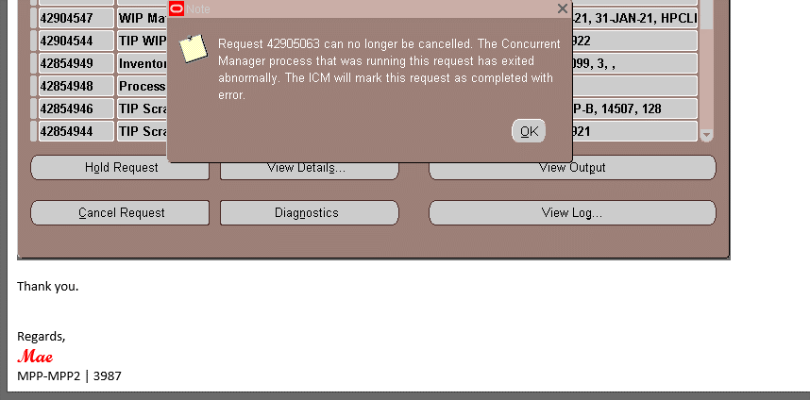
Detailed Inquiry Information

 | < Input request information and reason here >

Actual Operation Evidence
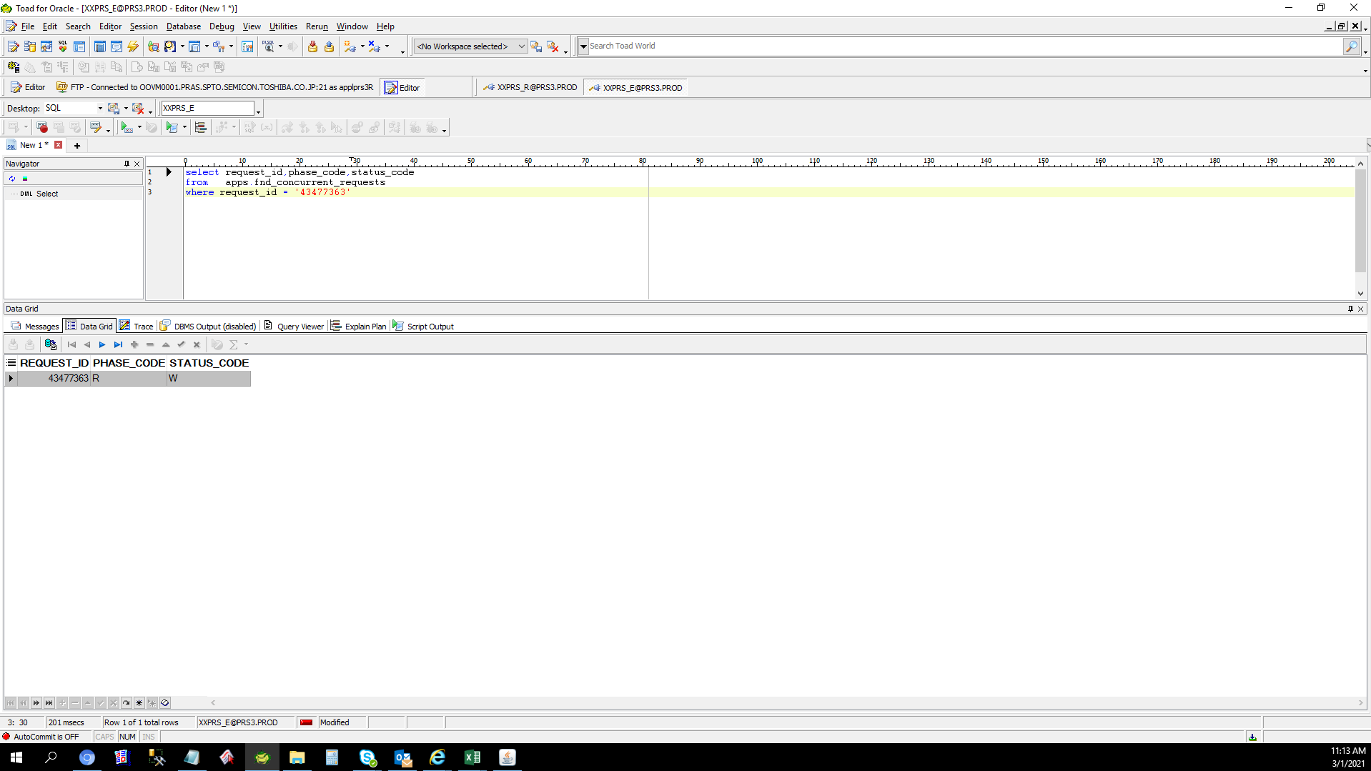
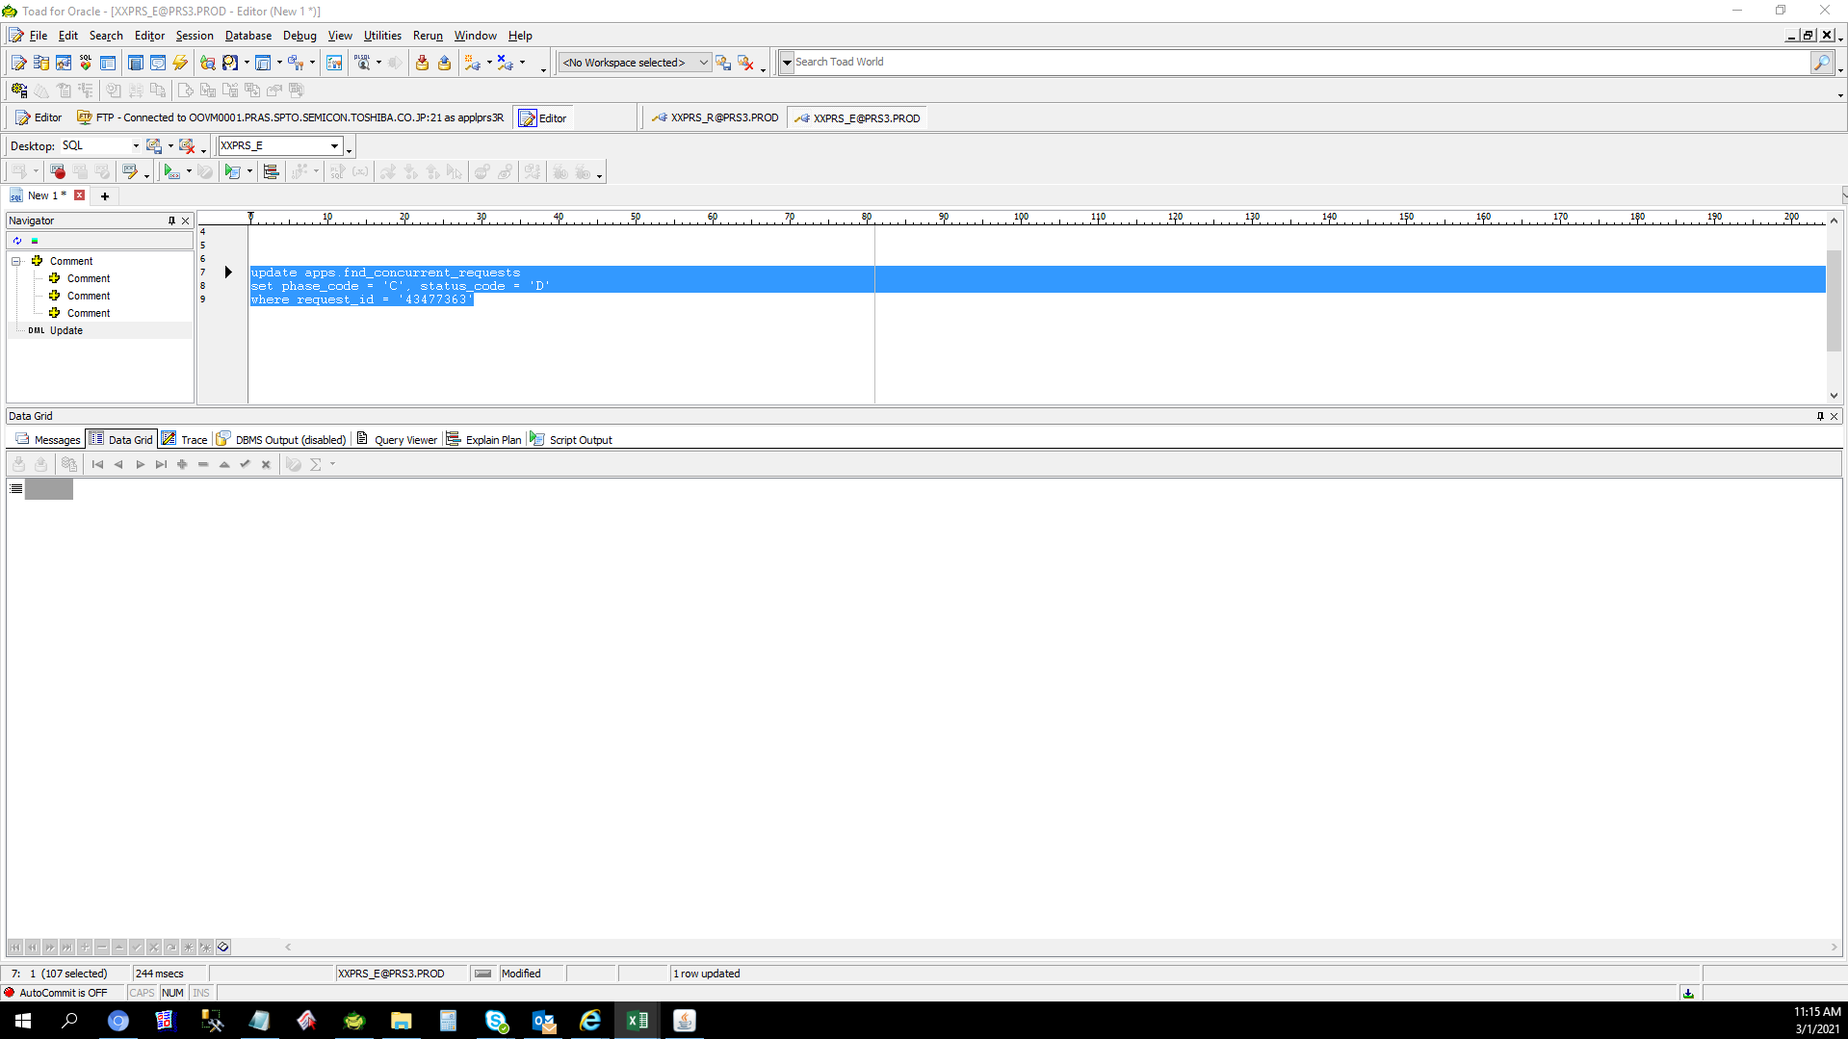
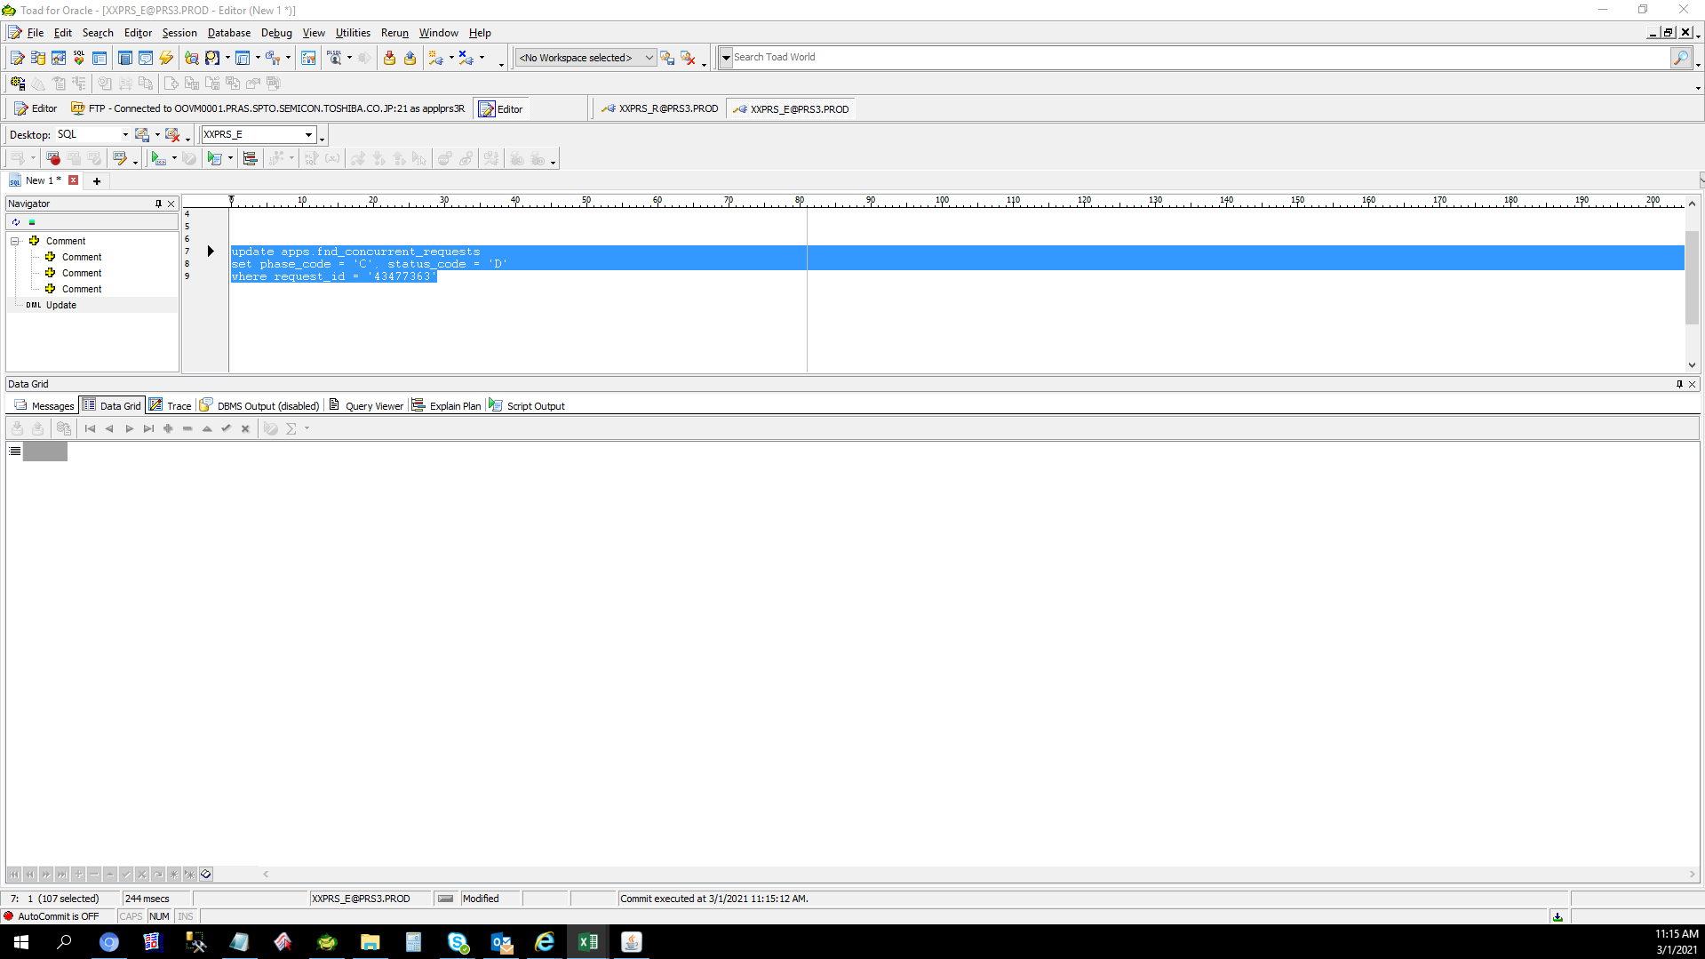
Actual Operation Evidence

Helpdesk Request
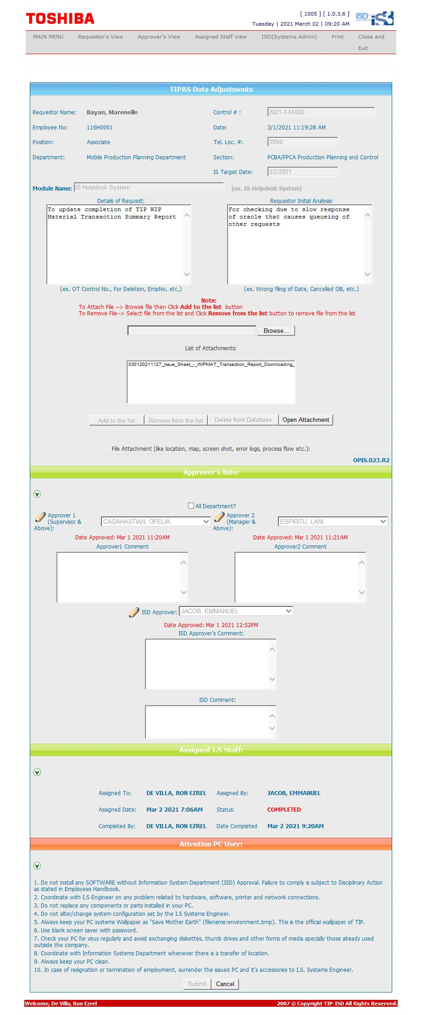
Helpdesk Request

